Context
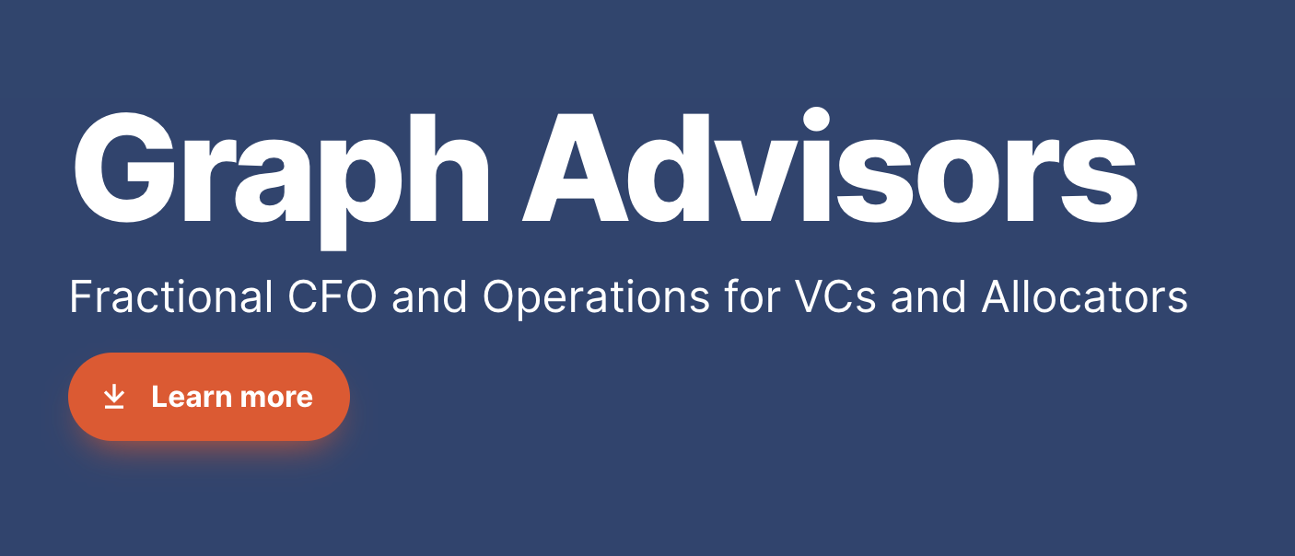 This sheet is setup to help early stage startup founders create an early model. The goal of early stage financial models is more about competency of modeling vs. accuracy of prediction.

